Cover
Click For Quick
Walkthrough Video
 | Original Case Author
 | Harry Gross

Click For Detailed
Walkthrough Video
Click For Additional
Case Resources
 | Case Design Team
 | David Brown
 | Chris McNeil
 | Eric Kelley
We're Not in Kansas Anymore - Varsity Edition
 | Gina Nicolosi

Case Information
MECC Jobs
Click For
Job Postings
This case originally appeared as a part of the MECC Weekend Battle series in January 2024. The case is centered around the yellow brick road and the characters from the Wizard of Oz. The case uses the same scoring as the original competition version, but answers are included so you can check your work. | MECC sponsors such as Siemens, New York Life, Alvarez & Marsal, and BDO have all hired MECC participants. Will you be next?

Earn MECC Badges
Click For More About
MECC Badges
 | Live participation in Weekend Battles counts towards earning the Excel Athlete Badge. Complete more challenges to earn the badge to post on LinkedIn!

Visual Examples
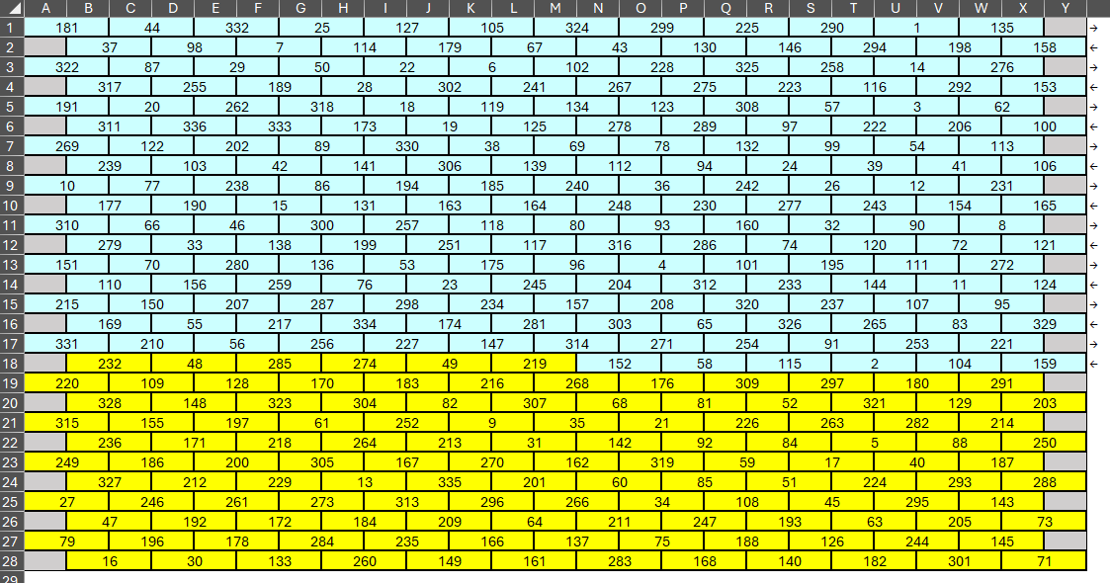
Example1

The bricks Toto walks on in Example1.

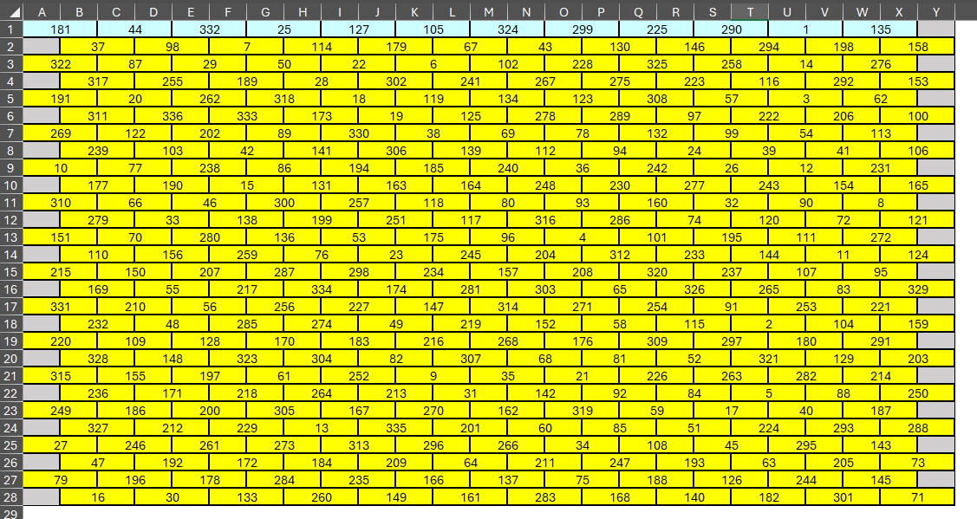

Example2

The bricks Dorothy walks on in Example2.

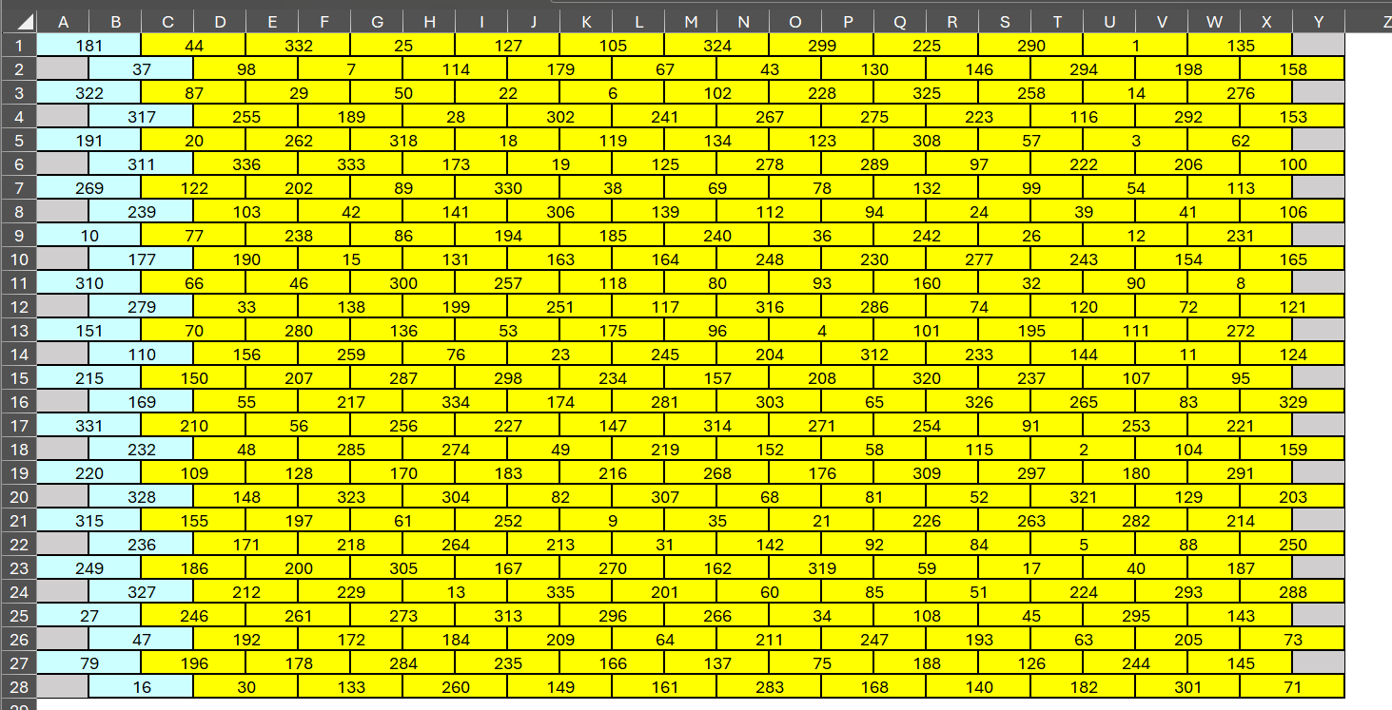

Example3

The bricks included in the Tin Woodsman's sum in Example3.

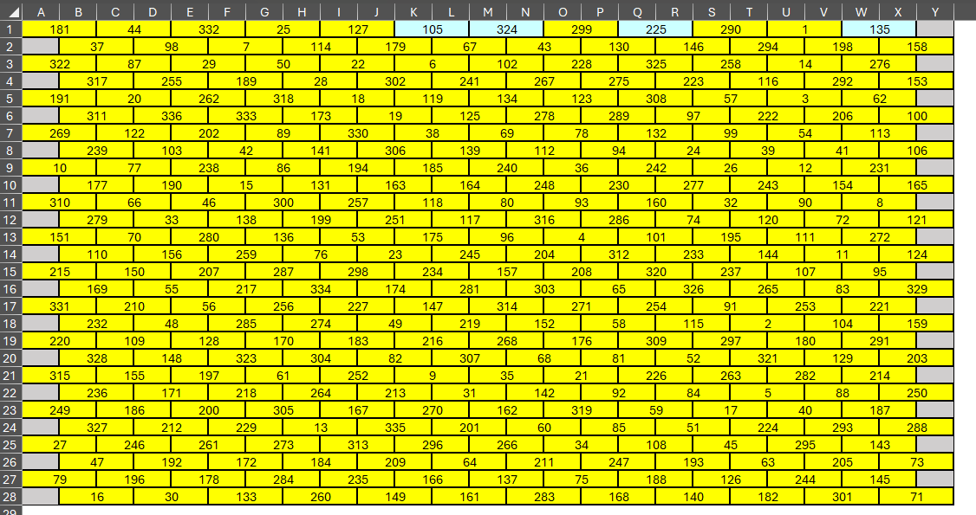

Example4

The Scarecrow's starting brick in Example4.

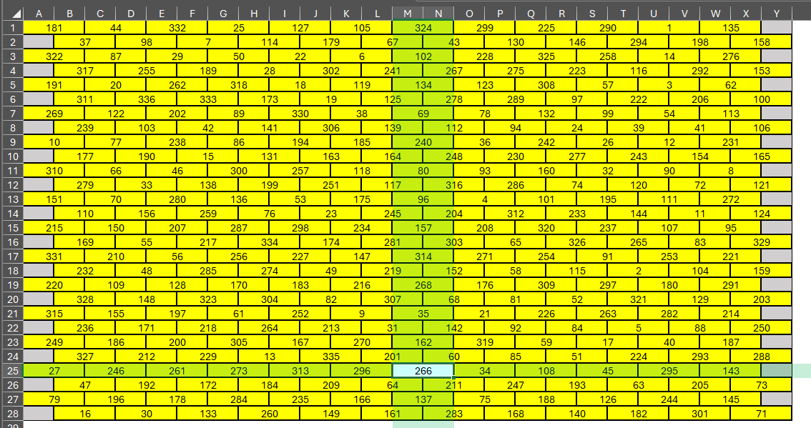

Example5

The Scarecrow's path in Example5.

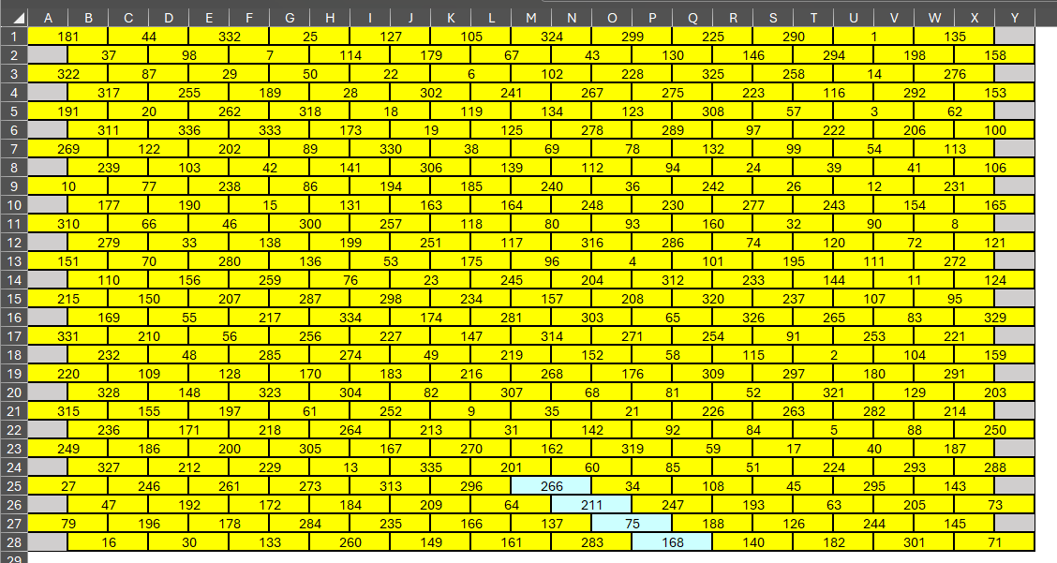

Example6

The Cowardly Lion's path in Example6.

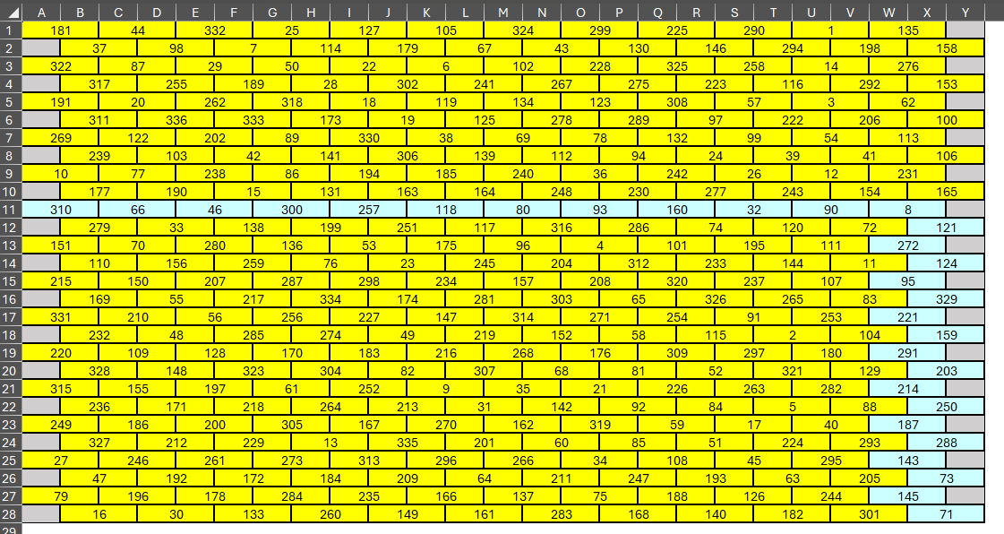

Example7

Dorothy's path in Example7.

